2013
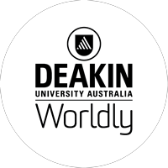
Deakin University

Exchange Program 2021-22

Estimated Costs for One Semester as of 9/13/2021

1 Australian Dollar = | 0.74 | U.S. Dollar
1 USD = | 1.36 | Australian Dollars

 | Australian $ | USD
CSU San Marcos Registration Fee |  | $3,858
Books & Supplies |  | $500
Housing* (based on on-campus studio apt Aus $326/wk for 16 weeks) | 5,216 | $3,840
Food (Aus $200/wk for 16 weeks) | 3,200 | $2,355
Personal** |  | $2,000
Round-trip Transportation (San Diego-Melbourne RT) |  | $1,500
Australian Compulsory Overseas Health Cover | 350 | $259
Australian Visa (Alllows work up to 20 hours/wk) | 630 | $463
Supplemental Health Insurance (AD&D) |  | $69
Total Estimated Budget |  | $14,844

*Based upon shared on-campus housing
Be aware there are housing deposits in addition to rent upon move-in. These are reimbursed upon move-out without damage

**Estimate of spending. Depends on individual.
Subject to change.

