CSUSM OT FORM
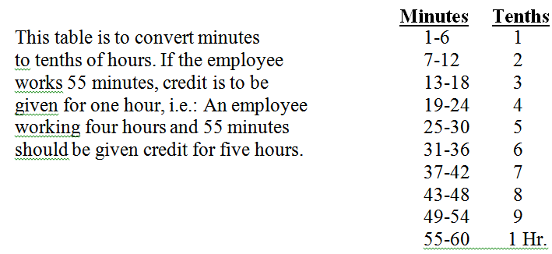
 |  |  |  |  | Overtime Authorization Form

 | Check here if you work an alternate work schedule (anything other than Mon-Fri, 8 hrs per day)
 |  |  |  |  |  |  | Select One Box
Employee Name: |  |  |  |  | DeptID: |  | PAID Overtime

Pay Period (Month/Year): |  |  |  |  | Timebase: |  | CTO (on the books)

PeopleSoft EmplID: |  |  |  |  | SS#:
 |  | Enter full 9 digit PeopleSoft EmplID

Instructions:
1) Overtime should be reported before or after regular work hours
2) Use one form per pay period (DO NOT combine pay periods on a single form)
3) Enter Date Overtime worked
4) Overtime Start - Enter Start time overtime began (example: 7:00 AM enter as 7 colon 00 space AM)
5) Lunch Start - Enter Lunch start time only if lunch was taken during overtime worked
(example: Saturday worked overtime for 8 hours with 1 hour lunch - Enter unpaid lunch break)
6) Lunch End - Enter Lunch end time - only if lunch was taken during overtime worked
7) Overtime End - Enter Time when you stopped working overtime (example: 7:45 AM enter as 7 colon 45 space AM)

 | Enter Date MM/DD/YY | Overtime Start Time | Lunch Start Time | Lunch End Time | Overtime End Time | Hours worked
 |  |  |  |  |  | 0.0
 |  |  |  |  |  | 0.0
 |  |  |  |  |  | 0.0
 |  |  |  |  |  | 0.0
 |  |  |  |  |  | 0.0
 |  |  |  |  |  | 0.0
 |  |  |  |  |  | 0.0
 |  |  |  |  |  | 0.0
 |  |  |  |  |  | 0.0
 |  |  |  |  |  | 0.0
 |  |  |  |  | TOTAL | 0.0

 | Enter Reason for Extra Hours Worked:

 | Certification of Overtime - Hours were PreAuthorized and have been worked as indicated above:

Employee Signature |  |  |  | Print Employee Name |  |  | Date

Approved by Manager (MPP) Signature |  |  |  | Print MPP Name |  |  | Date

Payroll Services 08/2019

