Timesheet Approval Instructions
Routing For Signatures:
1. Save as a PDF
2. Click on the Adobe Sign symbol on the tools section (If it is not an option, it is possible you will have to click on “More Tools” at the bottom of the side bar and add Adobe Sign to your tools)
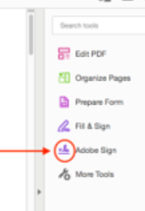

Note: For older versions of Adobe Acrobat DC, you may instead click on “Fill & Sign” for the same feature

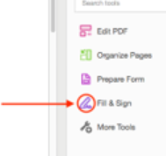

3. Select Request Signatures
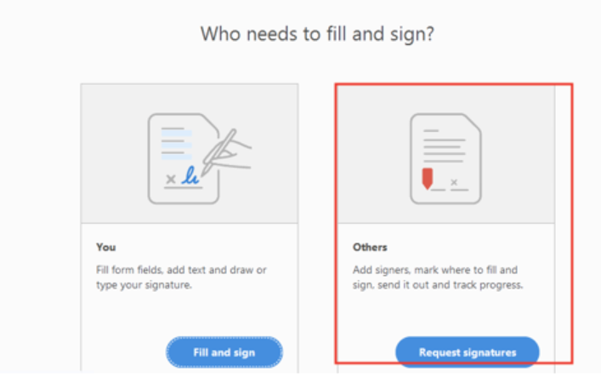

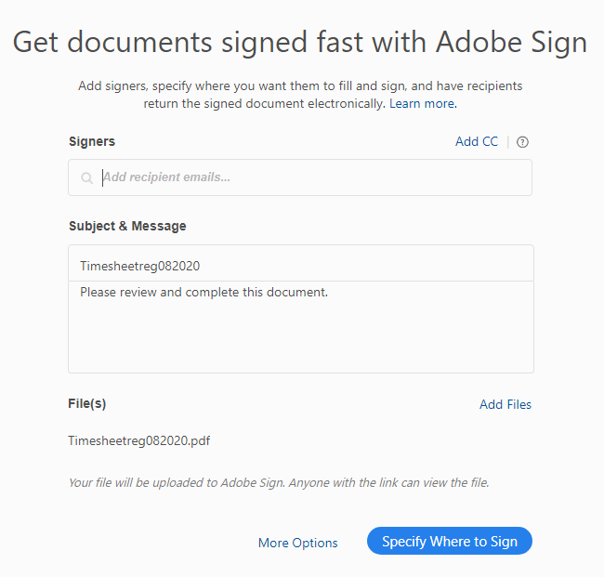
4. Add your email & your supervisor's email
5. Specify where to sign

 | ç | Add emails

 | ç | Click on specify where to sign

Select the signer you want to assign first (the employee) , and then click on the space on the application that they should sign. Make sure the signature field is selected.
Next, add the date field
Follow the same process for the supervisor


Once all fields are entered, click “Send”

